ORGANIGRAM
For example:

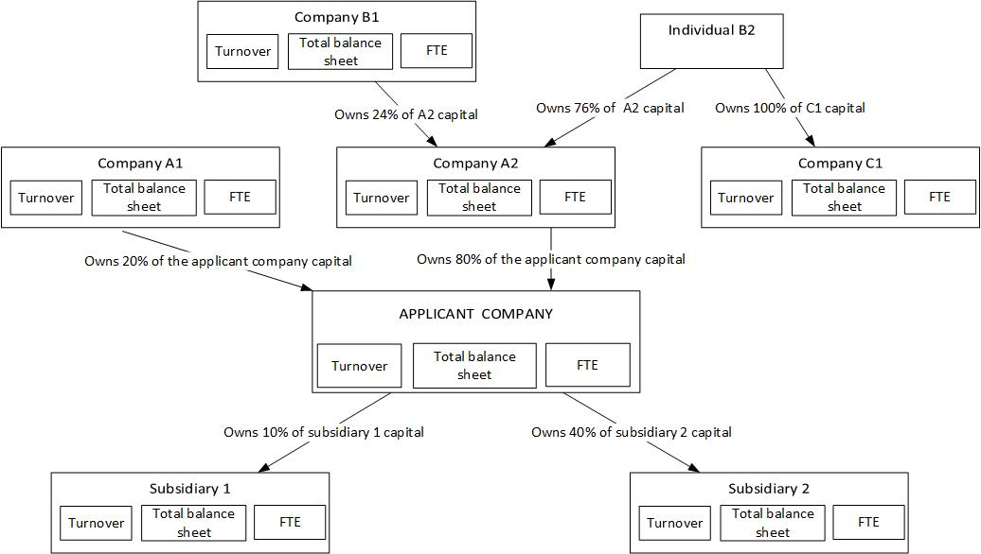

In this case, computation and explanations:
Companies | % of voting rights to use for turnover , total balance sheet and number of FTE : | grounds
Applicant company | 100% | applicant company
Company A1 | 0% | participation < 25 % in applicant company
Company A2 | 100% | participation > 50 % in applicant company
Company B1 | 0% | participation < 25 % in applicant company
Individual B2 | 100% | participation > 50 % in company A2
Company C1 | 100% | because participation of B2 >50% in Company C1
Subsidiary 1 | 0% | participation of applicant company < 25 %
Subsidiary 2 | 40% | 25 % < participation of applicant company < 50 %

